Instructions
 | FY19 Educational Technology Training Grant
 | September 1, 2018 through August 30, 2019
 | Fiscal Agent Application Instructions
Complete the yellow highlighted sections for each tab on the Fiscal Agent Application (Excel Workbook).
 | (If you have questions, contact teach@wi.gov or 608-261-5054.)

Consortium Members Tab:
List each member of your consortium. Each consortium member must be eligible for grant funds. Each consortium member must complete and submit a Consortium Member Application (Excel Workbook). If your district or library has more than 30 members, please copy the "Consortium Members" tab and continue entering.

Consortium Event Summary Tab:
A Consortium Event Summary sheet must be completed for each Funding 1 Event.
For each event enter the following: consortium name, event name, facilitator or instructor, date of event and location of event.
For event description, briefly describe the technology components of the event and the attendees learning goal(s).
List each consortium member expected to participate in the event, the number of teachers/librarians and their portion of the budget. The total budget will autopopulate.
Example:
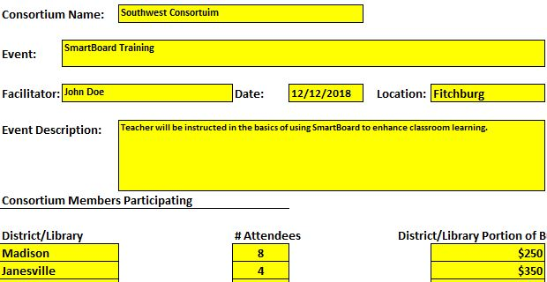

Print "Consortium Event Summary" tab for each Funding 1 Event of your consortium. If agreed, sign the printed sheet.

Consortium Budget Tab:
Enter Consortium Name. Enter total costs for all consortium members by cost category and Funding Level. Totals should autopopulate. Print the "Consortium Budget" tab.

Fiscal Agent Info Tab:

Enter requested information about the Consortium's fiscal agent.
Enter Consortium's Total Budget Request from "Consortium Budget" tab.
Print the "Fiscal Agent Info" sheet. If agreed, check certification boxes, print name, sign and date.

Submit Application:
Gather printed sheets from each tab of the Fiscal Agent Application (Excel Workbook) and the printed application sheets from each member of the consortium, scan them and submit them to TEACH via email (preferred) or mail prior to the application due date - 11:59 pm on Friday, May 4, 2018. Address are below.

 | Email (preferred) | Mailing Address
 | teach@wisconsin.gov | DOA TEACH Program
 |  | PO Box 7844
 |  | Madison, WI 53707-7844

APPLICATIONS ARE DUE BY 11:59 PM ON FRIDAY, May 4, 2018.

